Table 1
....
¥,
st
<?-,o a.:::l..c t--1 be \J t:o-t-q 0 .j o.SIA _::)t"'\D...lQ rel lc...a<"'CY'O Y"'\ .jq .. J:)ee.p.o. 5,+ \,-,q f> -t M.QV\\.l.!)\.:) J't b.Cl (\ P...o. \---0.. Q,---0.:) ­ PC\d l.o..:X:.M a.s ,. \r-Q..::,.o. \.---4f'\.cl.o.:l"l |  |  |  |  |  |  |  |  |  |  |  |  |  |  |  |  |  |  |  |  |  |  | 21fe 1-f LJ It< sjlt L-{ 2I,,,, 31 /fe bO tte i lll'1 |  |  |  |  |  |  | Pl--t.O"rte- nurriber 52 Sc::, S. l. , .S2.'-I SC '-t9 ..l4. l. .5g '-\.SO '2...bt."::\ 8 ei b Soc ..V-\e .l. 3 .S::i.3 "::\O '.:l\ D :)2 S2.l.2.00 SSDf:. .e,<g_J l \ .'.:>_ 14 Sl S 2. 8'5 S .!:)_ '-\SCl...\ t8
(Ac0'1J\c:io S -:>e..s·H·-q b&\f"\ L.j.:}IM :::,\,-..a_ N CV"\_\..c) le:..., C. . I z-;j-R::- 48\te­ 'So-3od.O. ,2.6 lte o.k-a be\.:)IC.o'\-0 :l"d ....:l.0 f\ 0. °"°' 'b'eJ. hc:.1-...,:)a.,1...1' C .J 0. N..t.:> C\. o.. o..U :d ¢>QI |  |  |  |  |  |  |  |  |  |  |  |  |  |  |  |  |  |  |  |  |  |  |  |  |  |  |  |  | 5 4-Sc ..w.. S, .:, J.. '-' l..l'4 3'2 !::u Y.D-1.... -5 -5'& '-lS'=, <;.\..lD 92s o<;s:u r:,/qs2.s2v2b a e, '-\Sc::, S<..Y.35 t-\0 · rl \J n,Je..
 |  |  | t-\'-' 1 - |  |  | ()\ i-o. ,Cl 't-))-,..-,a1'C,:uJ·H·- Q |  |  |  |  |  |  |  |  |  |  |  |  |  |  |  |  |  |  |  |  | 8..U..2.4'-!'2 9& b gs- 3 LI(; u LI !;:l "-\S hi
1'f\ •--=:,a 5-t'V"'Q _ t.'\- , Q lCJ?"-' |  |  |  |  |  |  |  |  |  |  |  |  |  |  |  |  |  |  |  |  |  |  |  |  | -5 4. S'=- Z2..._
:t: C:>':N.0..l,,o |  |  |  |  |  |  | \ Y'\loe,c:i.'r_ 1:- |  |  |  |  |  |  |  |  |  |  |  |  |  | 8L:f b 30 '31\/ ,S'S !::I S!:, c S. b 8D
Pal..>.!)O..f\ \o |  |  |  |  |  |  |  |  |  |  |  |  |  |  |  |  |  |  |  |  |  |  |  |  | -=r-0 . ..a. |  |  |  |  |  | o s 250 _
hvv e-..:!l... BQ-,.techq <=>· ic . p d. IJ 1? :I::> e.s \.\° h P d 1--Qr\ |  |  |  |  |  |  |  |  |  |  |  |  |  |  |  |  |  |  |  |  |  | . ¼ .3 '-\ S.'2...l. S 5 c42.S "-4 J. _ sci... !::) -l ?_o.l -l 'l ,_qi$' 0 92-02
Gs f'-Q N::I\ 6.H '3 8U LI S IS" +Q ,t-\- s..c e, '\ S:, g ":\{'h j t"\ 5-t\.-'Q l'1 i a .l-3 ::.!:!..• t:,...,=-M-0 '.......!P..=== ---; i I S 2

,- r-:_-
:1 :_\!, !('I |  |  |  |  | ,0 p cl. n |  |  |  |  |  |  |  |  |  |  |  |  |  |  |  |  | chh,ne, n_u(f)ber re, _J_-1....:"' t- ) i '4 .Sb & '-' 2. \.yI &b'Z. 6'-4 2.Zg..
..•'"- J, - | +-- 1r \ tu-
G t' |  |  |  |  | \ t:\.- b- r-a <:! p.:1.C,)dv-a0 .8II\ '-' ' |  |  |  |  |  |  |  |  |  |  |  |  |  |  |  |  |  |  |  |  |  |  |  |  |  | 5 & '-'.So 2. |  |  |  |  | '--1 l..l
IC i' - "uMO "' 'Q.'"'°rs ( 1' o Lee 1--qn "': ( I' -...1. cu tpe. 5 |  |  |  |  |  |  |  |  |  |  |  |  |  |  |  |  |  |  |  |  |  |  |  |  |  |  | ''"' |  |  |  | !3ts'-l.so'8.I...I., s gz '::\ C t'-LD &\.J '.?.'3;,.L-19
I\'ll- e_p,. Pt o.
, I I 1:. |  |  |  |  |  | 0. l..A,::u-"\ : 5-t-r-C\ |  |  |  |  |  |  |  |  |  |  |  |  |  |  |  |  | '-\.S.I \')\ |  |  |  |  |  |  |  | c=\.l. 5t:C.!:,_.S S,_ - 11
,..,. |  | I' '1. |  |  |  | o..ll S k:\ |  |  |  |  |  |  |  |  |  |  |  |  |  |  |  | ii e_g |  |  |  |  |  |  |  |  |  |  | '-'._S.c 2.3_&::0.
It '-5. So...1o'; -c \ f (\ " cl?.!:::.\-"\ 'CJ.). §-t-\r"IS.'I (' --A I""\.? s+-\--9. Sc:,\ I IL "fi·' e:,. c... P-=-.o..d.1--a.I'") |  |  |  |  |  |  |  |  |  |  |  |  |  |  |  |  |  |  |  |  |  |  |  |  |  |  |  |  |  |  | \? !:, 0 ¼ .1...LS,_ gi b_b e_.l-53-2..."-l !:t-& o S.S:. 1'1..L
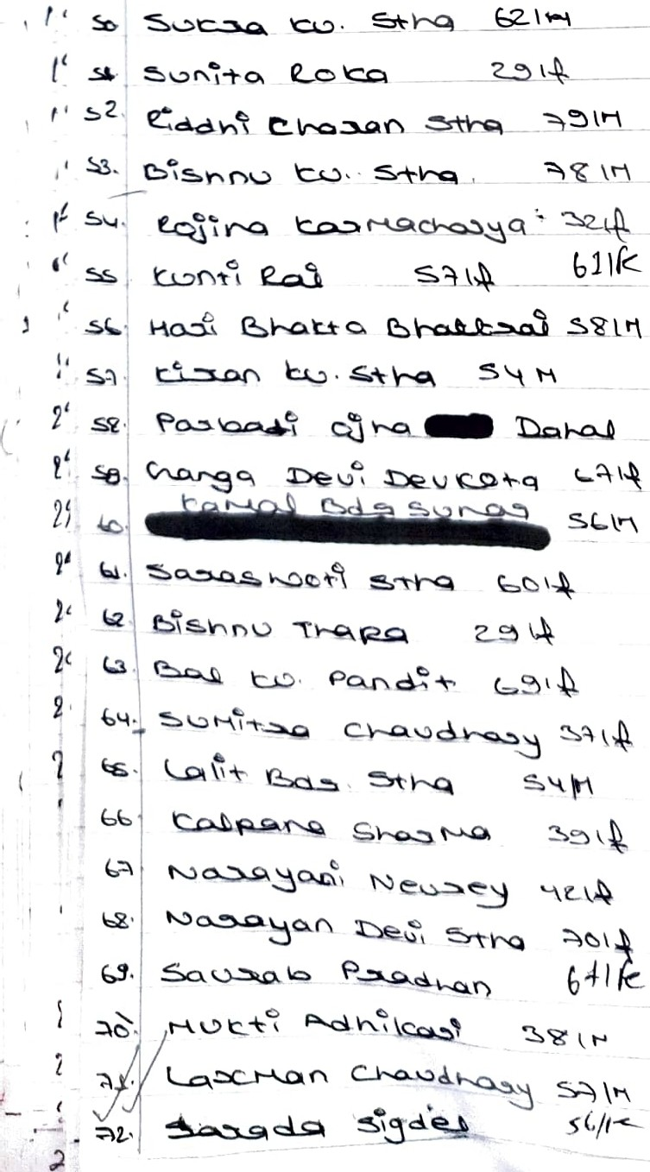
I.,,, "' |  |  |  |  | f>a.r'\ c.\,-Q. t:\ P d. n-\-\ |  |  |  |  |  |  |  |  |  |  |  |  |  |  |  |  |  |  |  |  |  |  |  |  |  | !5,,:c u1& _ 98-SS OS'S" _,5 8-2..'2.. !:::...l.. g&'JS:09=1-Ll4_9 gissos9lf0Jj 98ijl1b61vs - r,
5 KS- .-\. s.'2..':2_2-l.
9 \./ o u.9sb2 q&S;J-0 Uo 1q. - - - - - q u.z6 u o<, o g&o8g1'.}4etJ bbS(.ft)11uo
I
8 06:+--J13/ 01 2 2.J {;, gguSC> I-H2 9&Li S'09f,2.9l/ au<;o og::,2{0 6- oJ J <38 L,/ D8 8 2.f?2.._ <_38bS°O 2. V j {3 V S"O U! < 1 9<l-U <Ju2211 ,.g8 5 .s--u u S 1,; '2. 9Su o :,g o J o %'-I S,2.._s:> -3.t)

;q)F,- \ \("\ oI'I |  |  |  | 5 g '-\ !::.C '-{ 8 3, & Qi 5:?:»Q '-- ':HU
 |  |  |  | 9 g '--1.. 9.a b.S2:.c:, .9 et 1' ''1 :l • L l L2.fl, g '-' SS C .l.2J.4 &s· c:. ssc:,c8 2 '-\SO '-'... C.,9 I I
t-\ Q...c.r-Q 'S"'-=-.,_ C\.) 'C.._ -=,p.._0"e |  |  |  |  |  |  |  |  |  |  |  |  |  |  |  |  |  | < L .i, \
t---¼°'l_j e.S°, 4, &'-1.S S'-\'-1..S5
SV"'I |  |  |  |  |  |  |  |  | d |  |  | 'S\,-Cl\n ,;:.:i] |  |  |  |  |  |  |  |  |  |  |  |  | '58 |  |  |  |  |  | '4'-l'-l22.C
-: +-a.. Se,0. |  |  |  |  |  |  |  |  |  |  |  | 7;3 \ |  |  |  |  |  |  |  |  |  |  |  |  | 9 -g- u |  |  |  |  |  | bb .U..cc::,
'L.\,.)(2..s:11 P d {') .s.nn _ |  |  |  |  |  |  |  |  |  |  |  |  |  |  |  |  | _ s Lt s '--'-- 5c '4 - & '-1. s '-I '-4
t-'\o. \-e _S,-:\-\,-,,q -. I:-,<-I - ?, I -
e.a. r-;
uh ,j
:;I
1,\
\
- C, ( -14 .:-:- .. , ). 'SnN:l I-{ n - \_a SS\ - h\'-l Nep _ SoI,::,:)'\ "':, (N,.O.\:l'"'S o-£.k:)o e- i-u e:.cb . e..c..Cl ':':,1.q '!\()\,tv' 5<;\ is\ j\fc s5,I |  |  |  |  |  |  |  |  |  |  |  |  |  |  |  |  |  |  |  |  |  |  |  |  |  |  | IS_ s_-=1 ac. ..u..'.:\. ei g_ .l. 1..:1.3,_&_ X-.l. 2. .l '-1.S:.ci u.ez 32;S_S I..J. $0<T1E;_ .e,gu\'i!:161,c;,, 'ei'4 S, I Z..t 5 e '-1. -U'Z.2. og; '-I £. <-.c:::. s l.j '-€,_i .1.l-"-lt ..n 8 '4 '"-.l .l€ 3 S'S <::i '-1. "-\
t-\O \.---.o.f\ r-t,l , !"'8 5'()\ .e .s c '=- s .i '-1. I.:> "'•,\.o.._ O. <l_i':1>' 8; C "::) '-{ 'g
..
H ' s'v--- |  |  |  |  |  |  |  |  |  |  | Adk \ 14, /• |  |  |  |  |  |  |  |  |  |  |  |  |  | !If:'.l S c:i & 2..3-3
\J..!>C>;.N Dr-o. |  |  |  |  |  |  |  |  |  |  |  |  |  |  |  |  |  |  | 1/'-. 'tC ':':.\ ..l..i..l

N..o,._'('\ e..."-=' --\..:>Q.c.td.. Q -':!-

\
5&..il g, 2.'-' .l.
 |  |  |  |  |  |  |  | lo SI;.;) _:...._ .. :_< £..::xs..::a:)-Qf'\ |  |  |  |  |  |  |  |  |  |  |  |  |  |  | g !::.S C etee?.,2- - .Pee '=- |  |  |  |  |  |  |  |  |  |  |  |  | S\4 g - - 5 - 2..02..
- -- l=,:a= '-\ 1 .. fl V'\ ,\Cl 241f - ..... \\C>.._ '-9_ ,--- ?}-l-' - - --- |  |  |  |  |  |  |  |  |  |  |  |  |  |  |  |  |  |  |  |  |  |  |  |  |  |  |  |  |  |  | C\.8 -,st,, 920J. \ I e'e c '2..'2.. ';:. s & '-1.S,..\._'-l'6 I...\ -­ !3 e (....s, -
c.ll'k
.l. 46'4.?'-lS '4.S'4.2..2. ee 5 $<;,<::>'-LC> :s -­
- -!:>_?, e |  |  |  |  |  |  |  |  |  |  |  |  |  |  |  |  |  |  |  |  |  |  |  |  |  |  |  |  |  |  |  |  |  |  | e· _
 |  |  |  |  |  |  |  |  |  |  |  |  |  |  |  |  |  |  |  |  |  |  |  |  |  |  |  |  |  |  |  |  | 98 5"1),22 <; :}. \..l '-2,'·US .S e '-1.!l:.C '-4. (::)8
\--\C ("'\ ' |  |  |  |  |  |  |  |  |  |  |  |  |  |  |  |  |  | \\e_ |  |  |  |  |  |  |  |  |  |  |  |  |  | "')5& .l. t.:2.. |  |  |  | '-U
 |  |  |  |  |  |  |  |  | I::> ..--, . "...... , y,$J "I |  |  |  |  |  |  |  |  |  |  |  |  |  |  |  |  |  |  |  |  |  |  | g, '-l.l. |  |  | <t, 'l;.3,
k
 |  |  |  |  |  |  | - - - |  |  | \cl - Y'\ |  |  |  | - _\c;s:L _ tt,o\./)c-- |  |  |  |  |  |  |  |  |  |  |  |  |  |  |  |  |  | g.'2..<;::I, '2._ "!\S.l.
(_' 2-' t'... 2) .at• ,. el
. -- - 3J JP:-
 |  |  |  |  |  |  | Q.Q., (/ p K.Q..,S;._\ce - I..:) I"'\ 'T\,--o. \ 6\ f - - - - - - \ _ _?,. q- ;\\ l - |  |  |  |  |  |  |  |  |  |  |  |  |  |  |  |  |  |  |  |  |  |  |  |  | '-{ '3, - gl..l..c::,1c:::,._.k:..:a:i<:::i 3 'ls..s.::cuu::,G, &
}, z< l:f. 2 bt |  |  |  |  |  |  |  | f\\J - -- •P -..., (' Ld'1-'c " f'\\-,0;_ - |  |  |  |  |  |  |  |  |  |  |  |  |  |  |  | 8.S.!::,<:) '2-l.3 t'l.e '-k-g SC( Z:Z s;i=="
I I
 |  |  |  |  | 1 -_t:.e.slr-Q. lo . o.1?,\_ S2._f.l'\
 |  |  |  |  |  | ,t'cc_. . |  |  |  |  |  |  | (' QI'\ 3. lt |  |  |  |  |  |  |  |  |  |  |  |  |  |  |  |  |  |  | !?, |  | c..::,,, !:,2_
 |  |  |  |  |  | ..1-' | N.o_ p Cl , y11\;,/ \\bl |  |  |  |  |  |  |  |  |  |  |  |  |  |  |  |  |  |  |  |  |  |  |  |  | 8'-l |  |  | 2.. '23
:
I I 1-\ i ' |  |  |  |  |  |  |  |  |  |  |  |  |  |  |  |  |  |  |  |  |  |  |  | sl \jt_ '-Ill) |  |  |  |  |  |  |  |  | !3g 6'8..3_t, '2-1 5? S.(:) '2. '-, 8. '4.§, C::. SS9 "'-._S
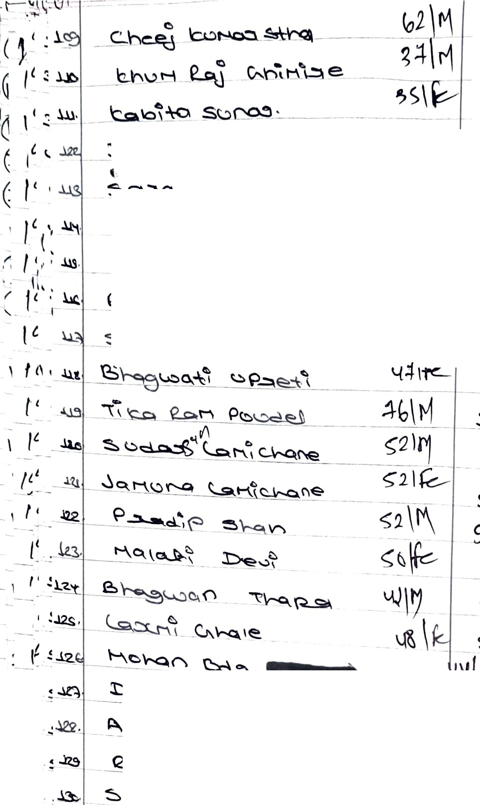
 |  |  |  |  |  |  |  |  |  |  |  |  |  |  |  |  |  |  |  |  | a- '=:._S:=' -- '?b ti |  |  |  |  |  |  |  |  |  |  |  |  |  |  |  | ::., :::.,\.4 2.
 |  |  |  |  |  |  |  |  |  |  |  |  |  |  |  |  |  |  |  |  |  |  |  | s."l,-'-/-'----.'...'.. - ---

e..t:NI\ e. ""\-q '=>'°-du=:, \::..\,-0 t1 \c...u H--Q o::,..s,., \-n<:::,-\-"I Qjfra l'.J |  |  |  |  |  |  |  |  |  |  |  |  |  |  | \...

 |  |  |  |  |  |  |  |  |  |  |  |  |  |  |  |  |  |  |  |  |  |  |  |  |  |  |  | C'--\ '=,S 3 40="1 'l!c>S.o.S.S .l.2... .

-CA - . .,-- .S2'4_"'- .93
I
 |  | l_g :I. r\ "i °' '(:9"t - |  |  |  |  |  |  |  |  |  |  |  |  | \,,
 |  |  |  |  | 'c...eS:.'rl . - e' Q {'\ c:i!::,.Q "" !::::,'\,-0. - - |  |  |  |  |  |  |  |  |  |  |  |  |  |  |  |  |  |  |  | \,./ 8 $ c:, !:=.2> '-l "- -& Sc::. S5 ..l. l
f' _'P<? ,. |  |  |  |  |  |  |  |  |  |  |  |  |  |  |  |  |  |  |  |  |  |  |  |  |  | ,, i .l g:;ceis
'De-e._Q.Q._c =J.0d)-Qf) t""\ r-..cl. |  |  |  |  |  |  |  |  |  |  |  |  |  |  |  | V 8 $.s_<::,'-\ '-\ '2- - :- 5 &!::.Sc::.• ".:\ -4'-\
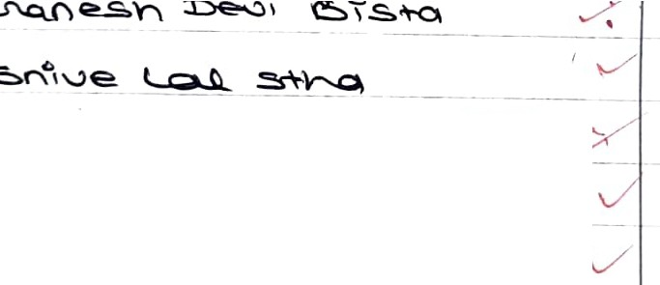
e.
--=,rtr
p,.. ol
r::,...5 < '.)atl
 |  |  |  |  |  |  |  |  |  |  |  |  |  |  |  |  |  |  |  |  |  |  |  |  |  |  |  |  |  |  |  | <i?''Vce.. y
(;.O;l'6'i 5 <::,S._'2..-4
6 (> CSn 1 'I)"'tt , ruoS\t--q '· l=soo-'I |  |  |  |  |  |  |  |  |  |  |  |  |  |  |  |  |  |  |  |  |  | /I & '-lSs s.e J e> !:::...l,,C SA .l '-/ .9g'-l <::,'-l '.!, s b5S_ ,_,/ ..58;'-\SC:,<;,..:\ 4 2.
=-'hr-c:>. -ex:,..\r-0-d. CG\'i.' ., |  |  |  |  |  |  |  |  |  |  |  |  |  |  |  |  |  |  |  |  |  |  |  |  |  |  | 2:1...\S..l. g_2, Q l
M - ¥::.. _jO.MUr<l :s "'I f\: \::.u I r::....'""' lo p V--0.C'\ O.- 'c..u \ ':j 5 (::)"I't '"' |  |  |  |  |  |  |  |  |  |  |  |  |  |  |  |  |  |  |  |  |  |  |  |  | \../ \...,- |  |  | 3 8. .l ..i9 8 S &..lc.3.Sl?:4 '-\'-\'2 2> lt.9 '-\52> (;,, 9 .l 4:...3. l.....ls5 J '-

s c::, c:, 2..L. g.U,1'46
9& L\ $" sLI J £,-1
9 .t.j <;; JJ '61 t
J
t,42-() <a8 J.123 013 8 L-119..9 03<; ggs o6 J98 --ll- 8 1..4 $ J.-:+ .5-S\/ 9860=l,2. S9 q <-1.212:J b'1l q .9..2.o R.2 g& <;"I U l/ :n. <!i8 us 3 {;oc;u y qg, 3 u 2::J-<;'.3 2. q! u s-o bb<H 2. 98S+ ouo 1.:J,t 93\Jo b.:J. I() q8lJ SS Ll {, j
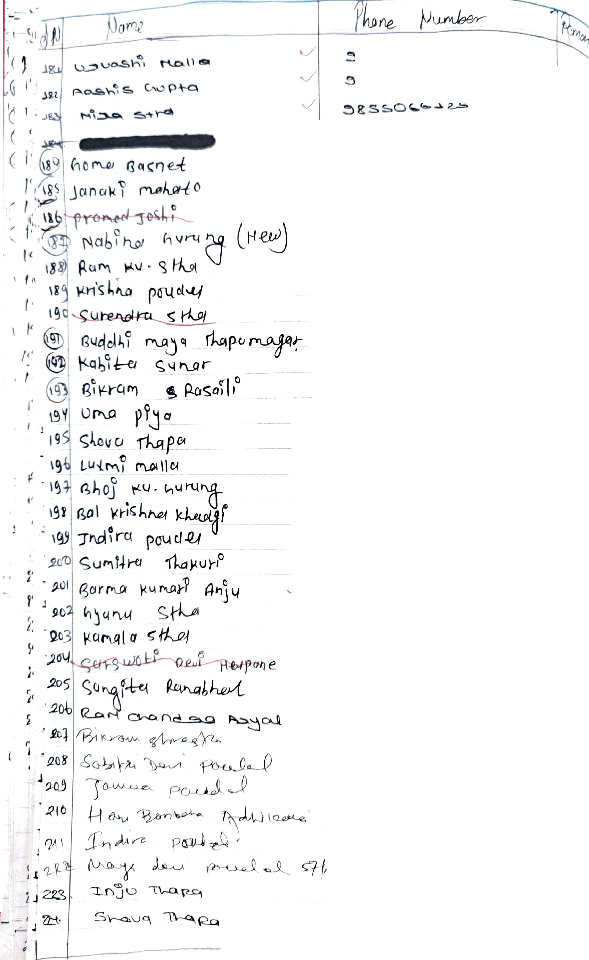
 |  |  |  |  |  |  |  |  |  |  |  |  |  |  |  |  |  |  |  | C?llU () g9b] cf \ Cf 1 U bI(, .-9 0 2: ti "' P--Chi ..JJ A -l '-\ .i'2..'-\ S'--\..e. C ) 8'-\.l'-\'-l.s. ;?... L"-..:x::..WJ |  |  |  |  |  |  |  |  |  |  |  |  |  |  |  |  |  | \

.j (", ""'qc.Jo.a, q
..
s E>("\
S. e_s."\,-,c;,
o,PQ _;,91_. •
{/

s'T +-o s.
l'-40
.!::> 2. t.s c2c

